Feuil1
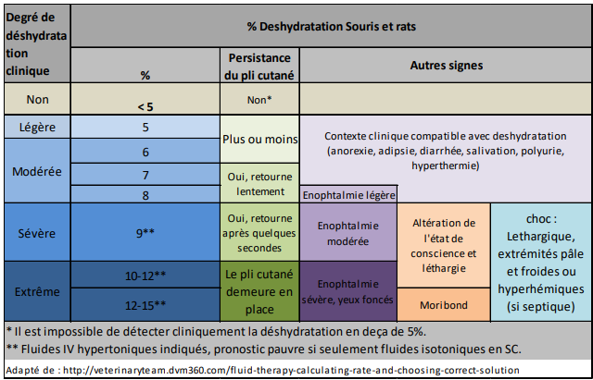
Dr Santos |  | Protocol number :
Experiment #
Contact person : _______________________ Phone number : _____________________________
Experiment: | DSS acute ⃝ | DSS chronic ⃝ | Date : _________to _________
 |  |  | Date : _________to _________
 |  |  | Date : _________to _________
Diet : ______________________________
FMT : |  | Date : ____________________
Legend | ᴓ none | L: low | M: Moderate | S: Severe
 | D : diarrhea | + positive | - negative

Cage: | Mouse #
Date
Weight (g)
Deshydration %
Prostration
Hemocult
Feces consistency
Bits mouillés
Soft bedding
Comments

Cage: | Mouse #
Date
Weight (g)
Deshydration %
Prostration
Hemocult
Feces consistency
Bits mouillés
Soft bedding
Comments

Cage: | Mouse #
Date
Weight (g)
Deshydration %
Prostration
Hemocult
Feces consistency
Bits mouillés
Soft bedding
Comments

Cage: | Mouse #
Date
Weight (g)
Deshydration %
Prostration
Hemocult
Feces consistency
Bits mouillés
Soft bedding
Comments

Cage: | Mouse #
Date
Weight (g)
Deshydration %
Prostration
Hemocult
Feces consistency
Bits mouillés
Soft bedding
Comments

